Sheet1
Sales From 2019-2021
Name of the Company | Year-2019 | Year-2020 | Year - 2021 | Total wrt Company | Percentage | Overall Revenue
Hero | 2456 | 2500 | 4657 | 9613 | 16.26% | ₹ 240,000.00
Honda | 2001 | 6565 | 7465 | 16031 | 27.11% | ₹ 504,622.00
TVS | 2005 | 4656 | 4125 | 10786 | 18.24% | ₹ 125,466.00
Bajaj | 2007 | 1998 | 6548 | 10553 | 17.85% | ₹ 246,552.00
Royal Enfield | 1998 | 1995 | 2135 | 6128 | 10.36% | ₹ 854,656.00
JAVA | 2015 | 2546 | 1465 | 6026 | 10.19% | ₹ 365,456.00
Total wrt year | 12482 | 20260 | 26395 | 59137 |  | ₹ 2,336,752.00

Sales From 2019-2021
Sales From 2019-2021

DATE FORMAT | 12-Oct-2024
 | 13-Oct-2024

VLOOKUP-1
ID | First | Last | Email
610 | Janet | Farley | janet.farley@acme.com | ID | 610
798 | Steven | Batista | steven.batista@acme.com | First | Janet
841 | Evelyn | Monet | evelyn.monet@acme.com | Last | Farley
886 | Marilyn | Bradley | marilyn.bradley@acme.com | Email | janet.farley@acme.com
622 | Jonathan | Adder | jonathan.adder@acme.com
601 | Adrian | Birt | adrian.birt@acme.com
869 | Julie | Irons | julie.irons@acme.com
867 | Erica | Tan | erica.tan@acme.com
785 | Harold | Clayton | harold.clayton@acme.com

To use VLOOKUP, provide:
A lookup value
The table range
The column number
Desired match behavior

VLOOKUP-2
First | Last | ID | Email | Department |  |  | VLOOKUP exact match on movie title
Janet | Farley | 610 | j.farley@abc.com | Fulfillment | ID | #N/A
Steven | Batista | 798 | s.batista@abc.com | Fulfillment | First |  | Movie | Year | Rank | Sales | Movie | Toy Story
Evelyn | Monet | 841 | e.monet@abc.com | Fulfillment | Last |  | Fargo | 1996 | 5 | $61 m
Marilyn | Bradley | 886 | m.bradley@abc.com | Marketing | Email |  | L.A. Confidential | 1997 | 4 | $126 m | Year | 1995
Jonathan | Adder | 622 | j.adder@abc.com | Marketing | Dept |  | The Sixth Sense | 1999 | 1 | $673 m | Rank | 2
Adrian | Birt | 601 | a.birt@abc.com | Marketing |  |  | Toy Story | 1995 | 2 | $362 m | Sales | $362 m
Julie | Irons | 869 | j.irons@abc.com | Marketing |  |  | Unforgiven | 1992 | 3 | $159 m
Erica | Tan | 867 | e.tan@abc.com | Fulfillment
Harold | Clayton | 785 | h.clayton@abc.com | Fulfillment
Sharyn | Castor | 648 | s.castor@abc.com | Engineering

VLOOKUP only looks right. Because the lookup value is in column D, only Email and Department are available.

You can use INDEX and MATCH or XLOOKUP to look left.

VLOOKUP-FALSE_APROX
VLOOKUP - approximate match on sales

Name | Sales | Comm % | Commission | Sales | Comm %
Applebee | $171,900 | 6% | $10,314 | $50,000 | 3%
Bueller | $605,514 | 9% | $54,496 | $75,000 | 4%
Chung | $151,200 | 6% | $9,072 | $100,000 | 5%
Crawford | $119,850 | 5% | $5,993 | $125,000 | 6%
Joyce | $89,450 | 4% | $3,578 | $175,000 | 8%
King | $124,500 | 5% | $6,225 | $200,000 | 9%
MacDonald | $131,100 | 6% | $7,866
Tanaka | $201,500 | 9% | $18,135
The last argument in VLOOKUP controls match behavior. Set to TRUE or 1 to perform an approximate match (i.e. a range-based lookup)

VLOOKUP-TWO WAY
VLOOKUP Two-way lookup

Name | Jan | Feb | Mar | Name | Little
Alper | $11,882 | $11,519 | $7,565 | Month | Mar
Burrows | $11,676 | $6,344 | $5,406 | Sales | $7,845
Chandler | $10,296 | $9,693 | $11,867
Colby | $4,752 | $6,786 | $12,560
You can use the MATCH function inside of VLOOKUP to supply a dynamic column number.
Frantz | $10,699 | $5,194 | $10,525
Gonzalez | $10,404 | $8,487 | $8,964
Kyle | $11,841 | $4,689 | $10,992
Little | $5,259 | $3,900 | $7,845
Long | $6,364 | $6,183 | $4,759

VLOOKUP-WILDCARD
VLOOKUP with a wildcard

Last | First | ID | Department | Find | Bad*
Addington | Jon | 622 | Marketing
Aviles | Angel | 807 | Support
Ayala | Michael | 263 | Marketing | First | Lori
Bader | Lori | 120 | Fulfillment | Last | Bader
Bailer | Annette | 368 | Fulfillment | ID | 120
Bailey | Orlando | 432 | Support | Department | Fulfillment
Baisley | Erica | 867 | Fulfillment
Banks | Angeline | 331 | Sales
You can use VLOOKUP with wildcards to perform a partial match. Note that range_lookup must be FALSE or zero.
Barger | Carol | 206 | Fulfillment
Baron | Jonathan | 253 | Sales
Batista | Steven | 798 | Sales
Bechard | Donna | 210 | Support
Birt | Adrian | 601 | Engineering
Notice we are using absolute references for lookup value and table range in order to make the formula easy to copy down.
Bishop | Irene | 625 | Fulfillment
Bostick | Maricela | 451 | Marketing
Boyer | John | 361 | Support
Braun | Dianne | 105 | Fulfillment
Brittain | Christopher | 439 | Support
Burgess | James | 801 | Marketing
Cappello | Jennifer | 244 | Fulfillment
Chambers | Betty | 554 | Marketing
Clayton | Harold | 785 | Fulfillment
Corriveau | Sharyn | 648 | Support
Cunningham | Joshua | 727 | Support
Dickson | Doug | 645 | Fulfillment
Domingo | Larry | 354 | Engineering
Epperson | Migdalia | 544 | Support
Flores | Gaynell | 224 | Fulfillment
Forth | Danny | 460 | Fulfillment
Freeman | Roy | 298 | Fulfillment
Goff | Thomas | 895 | Sales
Gunter | Kimberly | 112 | Sales
Gutierrez | Michael | 472 | Marketing
Hare | Kenneth | 798 | Fulfillment
Hawkinson | Aurora | 735 | Sales
Hernandez | Frank | 724 | Fulfillment
Higgins | Tricia | 246 | Engineering
Hillyard | Mary | 285 | Support
Hood | Charles | 428 | Fulfillment
Howard | Joanne | 599 | Marketing
Irons | Julie | 869 | Marketing
Irwin | Susan | 633 | Engineering
Johnson | Mario | 742 | Sales
Keller | Edward | 423 | Support
Kieffer | Rigoberto | 246 | Fulfillment
King | James | 497 | Fulfillment
Lewis | James | 480 | Sales
Lund | Mary | 143 | Fulfillment
Main | Randy | 605 | Fulfillment
Martin | Linda | 848 | Support
Marvin | Wilfredo | 228 | Fulfillment
McCullough | Virginia | 183 | Sales
McCutchen | Annie | 692 | Sales
McFadden | Janet | 610 | Fulfillment
McGee | Kim | 442 | Marketing
McLaughlin | Cathy | 716 | Marketing
McNally | Akiko | 809 | Sales
Menard | Wanda | 352 | Engineering
Moen | John | 127 | Engineering
Monet | Evelyn | 841 | Fulfillment
Morris | June | 666 | Support
Mosley | Leslee | 604 | Sales
Naquin | Robert | 419 | Engineering
Neumann | Larry | 172 | Engineering
Norfleet | Joseph | 813 | Marketing
Orlandi | Richard | 428 | Marketing
Overstreet | Vernon | 157 | Fulfillment
Pope | Marjorie | 512 | Sales
Ray | Lena | 495 | Sales
Read | Frank | 433 | Engineering
Robinson | Terry | 623 | Sales
Rodriguez | Tonette | 798 | Sales
Rogers | Lucy | 495 | Fulfillment
Ross | Lucille | 604 | Marketing
Sandberg | Mamie | 670 | Sales
Schaffer | Jerry | 189 | Sales
Schroer | Paula | 331 | Support
Scott | Randy | 774 | Fulfillment
Shaffer | Roger | 187 | Marketing
Shell | Mildred | 184 | Sales
Shumate | Courtney | 597 | Fulfillment
Sipes | Robert | 172 | Fulfillment
Smith | Gino | 476 | Fulfillment
Spurlock | Emma | 893 | Sales
Stec | Christian | 142 | Sales
Stephens | Marilyn | 886 | Fulfillment
Stier | Julie | 645 | Fulfillment
Strange | Robert | 465 | Sales
Stroud | Kristin | 854 | Fulfillment
Swanson | Jeanette | 567 | Engineering
Torres | Karen | 800 | Marketing
Washburn | Laura | 477 | Fulfillment
Weldon | Mary | 686 | Support
Wicker | Ryan | 364 | Fulfillment
Williams | John | 766 | Fulfillment
Wilson | Ellen | 444 | Fulfillment
Wood | Donald | 540 | Fulfillment
Woodruff | Fernando | 317 | Sales
Woolf | Mary | 710 | Support
Yeager | Rita | 491 | Sales

VLOOKUP-MULTIPLE CRITERIA
VLOOKUP with multiple criteria

Helper | First | Last | Group | First | Jon
JanetMartin | Janet | Martin | Production | Last | Victor
SteveHugo | Steve | Hugo | Sales | Group | Marketing
EvelynMonet | Evelyn | Monet | Production
MaryChaplin | Mary | Chaplin | Production
In simple scenarios, you can concatenate values and use the result to lookup data based on multiple criteria.
JonVictor | Jon | Victor | Marketing
AdrianBirt | Adrian | Birt | Engineering
JulieIrons | Julie | Irons | Marketing
EricaBaisley | Erica | Baisley | Production
HaroldSmith | Harold | Smith | Production

For more advanced scenarios, see the "advanced" link on this page. Or switch to INDEX and MATCH or XLOOKUP.

VLOOKUP-#NA
VLOOKUP exact match on movie title

Movie | Year | Rank | Sales | Movie | toy story 2
Fargo | 1996 | 5 | $61 m
L.A. Confidential | 1997 | 4 | $126 m | Year | #N/A
The Sixth Sense | 1999 | 1 | $673 m | Rank | #N/A
Toy Story | 1995 | 2 | $362 m | Sales | #N/A
Unforgiven | 1992 | 3 | $159 m

#N/A errors are common with VLOOKUP. It means the lookup value is not found. See next sheet for a workaround.

VLOOKUP-IFNA FUNCTION
VLOOKUP exact match on movie title

Movie | Year | Rank | Sales | Movie | Toy Story 2
Fargo | 1996 | 5 | $61 m
L.A. Confidential | 1997 | 4 | $126 m | Year | #NAME?
The Sixth Sense | 1999 | 1 | $673 m | Rank | #NAME?
Toy Story | 1995 | 2 | $362 m | Sales | #NAME?
Unforgiven | 1992 | 3 | $159 m

You can use the IFNA function with VLOOKUP to trap #N/A errors and return a more friendly result.

NPV
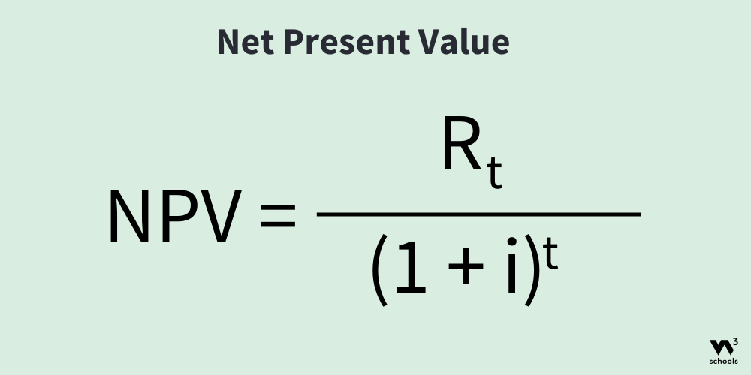
 | Year | 1 | 2 | 3 | 4 | 5 | 6 | 7 | 8 | 9 | 10
 | Cash flow | 10 | 12 | 16 | 20 | 28 | 50 | 80 | 140 | 200 | 250

 | Discount Rate | 10% |  | NPV | $377.87

•example, we will calculate the NPV over a 10 years period.
•The Discount Rate, return of requirement is set to 10%.

